HeatXfer
 |  |  | Heat |  |  |  |  | Kc |  | Ra | 25.95
 |  |  | Q | 3 |  |  |  | Ceramic | 3.7 | Rb | 73.28
 |  |  |  |  |  |  |  | Copper | 390 | R | 19.160929422
 |  | 2.2155466579 | Chip MAX |  | 0.78445334211 |  |  | Solder | 36
 |  |  | T | 84.33 |  |  |  | Thermal Paste | 1
 |  |  |  |  |  |  |  |  |  | Set to A12 | 3.2
Chip (sink-side) |  |  | Chip Averages |  |  | Chip (air-side) |  |  |  | Ra' | 25.95
Kc | 3.7 |  | Tbottom | 80.792799892 |  | Kc | 3.7 |  |  | Rb' | 79.52
t | 0.0037698620261 |  | Ttop | 83.923794751 |  | t | 0.0012301379739
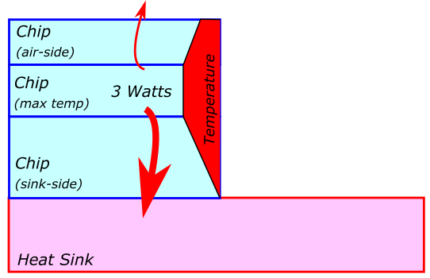
A | 0.00031884 |  | T | 81.56 |  | A | 0.00031884
R | 3.20 |  |  |  |  | R | 1.04

Chip Contact |  |  |  |  |  | Chip Top
T | 77.25 |  |  |  |  | T | 83.51

Thermal Conection |  | Connection Average
Kc | 36 | T | 77.23
t | 0.0002
A | 0.00031884
R | 0.02

Heat Sink
T | 77.21

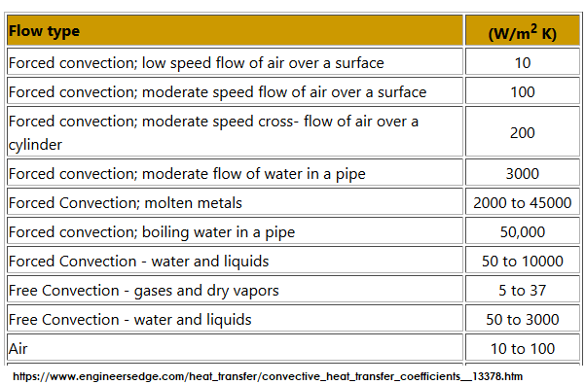
Heat Sink - Air |  |  |  |  |  | Chip - Air
h | 50 |  |  |  |  | h | 25
A | 0.00087981 |  |  |  |  | A | 0.00055375
R | 22.73 |  |  |  |  | R | 72.23

 |  |  | AIR
 |  |  | T | 26.85
 |  |  |  | 300 | K

Structural
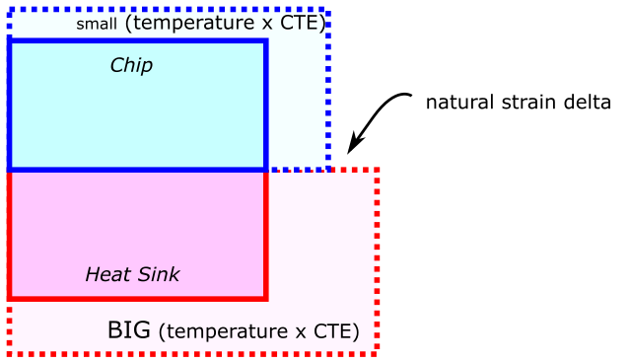
1 NATURAL STRAIN CALCULATION
Chip (Ceramic) |  |  | Heat Sink (Copper)
a | 9.00E-06 |  | a | 2.40E-05 | Chip Temperatures
T | 77.25 |  | T | 77.21 | Tmax | 84.33
eps | 0.07% |  | eps | 0.19% | Tavg | 81.56
 |  |  |  |  | Tcontact | 77.25

 | eps delta | 0.12%
 |  |  |  |  | Heat Sink
 |  |  |  |  | T | 77.21

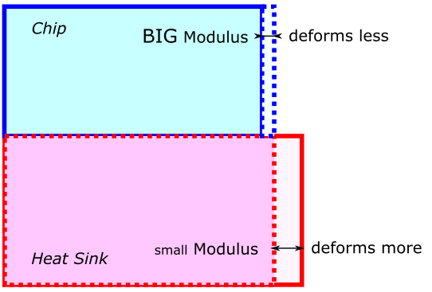
2 STIFF BONDING STRESS CALCULATION
Elastic Moduli
Chip (Ceramic) | 2.00E+11
Heat Sink (Copper) | 1.10E+11

eps ceramic | 0.04%
eps copper | 0.07%
sig | 82.2 | Mpa

