Sheet1
 |  |  |  |  | Chip |  |  |  |  |  |  |  | Chip Radiation
 |  |  |  |  | Q | 12 |  |  |  |  |  |  | Qrad | 0.41694826796
 | Junction-Case |  |  | 7.0822476648 | A | 0.0011225 | 4.9177523352 | Junction-Board
 | R | 0.28 |  |  | Junction Temperature |  |  | R | 3.13 |  |  |  | Ra | 8.2756339066 | THERMAL |  |  |  |  |  | FLOW SIMULATION
 |  |  |  |  | T | 79.61 |  |  |  |  |  |  | Rb | 7.6466241273
 |  |  |  |  |  |  |  |  |  |  |  |  | Rc | 7.9287241273 | Q | 6.55 | Junction |  | Q | 5.45 | Q | 6.89 | Junction |  | Q | 5.11
 |  |  |  |  |  |  |  |  |  |  |  |  | Rd | 11.41846602 |  |  | T | 75.03 |  |  |  |  | T | 70.59
6.54 | CASE |  | 0.53830354154 |  |  |  |  | BOARD CONTACT |  |  |  | 4.92 | Re | 4.967868607 | R | 0.28 |  |  | R | 3.11 | R | 0.28 |  |  | R | 3.13
6.04 | T | 77.62 |  |  |  |  |  | T | 64.20 |  |  | 4.42 | Q1 | 7.0822476648
5.54 |  | 6.5439441232 |  |  |  |  |  |  |  |  |  | 3.92 | Q2 | 4.9177523352 | Case |  | Q | 0.75 | Board contact |  | Case |  | Q | 1.12 | Board contact
5.04 |  |  |  |  |  | Board Contact - Board |  |  |  |  |  | 3.42 | Q3 | 6.5439441232 | T | 73.22 |  |  | T | 58.06 | T | 68.65 |  |  | T | 54.56
4.54 | Case-Heat Pipe |  |  |  |  | Kc | 401 |  | Layer Table |  |  | 2.92 | Q4 | 0.53830354154
4.04 | r | 0.0007419 |  |  |  | Kd | 0.3 |  | t | %c | tc | 2.42 | sigma | 5.67E-08 | Q | 5.80 |  |  | R | 2.17 | Q | 5.77 |  |  | R | 4.56
3.54 | A | 0.000155 |  |  |  | Total Thickness | 1.00E-03 |  | 3.30E-05 | 0.2 | 6.60E-06 | 1.92
3.04 | R | 4.79 |  |  |  | Tc | 1.32E-04 |  | 6.60E-05 | 0.8 | 5.28E-05 | 1.42 |  |  | R | 4.90 |  |  | Board |  | R | 5.09 |  |  | Board
2.54 |  |  |  |  |  | Td | 8.68E-04 |  | 3.30E-05 | 0.2 | 6.60E-06 | 0.92 |  |  |  |  | R | 66.35 | T | 46.23 |  |  | R | 40.83 | T | 31.25
2.04 |  |  |  |  |  |  |  |  | 3.30E-05 | 0.2 | 6.60E-06 | 0.42 |  |  | Heat Pipe |  |  |  |  |  | Heat Pipe
1.54 | HEAT PIPE |  |  |  |  | Kt | 53.1924 |  | 6.60E-05 | 0.8 | 5.28E-05 | 0.00 |  |  | T | 44.78 |  |  | R | 4.18 | T | 39.27 |  |  | R | 1.61
1.04 | T | 46.29 |  |  |  | Ka | 0.34558280256 |  | 3.30E-05 | 0.2 | 6.60E-06 | 0.00
0.54 |  |  |  |  |  |  |  |  |  |  |  | 0.00 |  |  | R | 0.35 |  |  |  |  | R | 0.09
0.04 |  |  |  |  |  | Eff Thickness | 0.0006 |  | CrossArea | 0.000252 |  | 0.00
0.00 | Heat Pipe-Heat Sink |  |  |  |  | Chip Area | 0.0011225 |  | Eff Length | 0.055 |  | 0.00 |  |  | HeatSink |  |  |  |  |  | HeatSink
0.00 | R | 0.3 |  |  |  | Ra | 1.5467238363 |  | Rt | 4.103104358 |  | 0.00 |  |  | T | 42.73 |  |  |  |  | T | 38.77
0.00 |  |  |  |  |  | R | 5.65 |  |  |  |  | 0.00
0.00 |  |  |  |  |  |  |  |  |  |  |  | 0.00 |  |  | R | 3.32 |  |  |  |  | R | 2.73
0.00 | HEAT SINK |  |  |  |  |  |  | BOARD |  |  |  | 0.00 |  |  |  |  | Air Internal |  |  |  |  |  | Air Internal
0.00 | T | 44.33 |  |  |  |  |  | T | 36.42 |  |  | 0.00 |  |  |  |  | T | 23.46 |  |  |  |  | T | 23.00
0.00 |  |  |  |  |  |  |  |  |  |  |  | 0.00
0.00 |  |  |  |  |  |  |  |  |  |  |  | 0.00 |  |  |  |  | R | 0.29 |  |  |  |  | R | 0.25
0.00 | Heat Sink-Air |  |  | Case-Air |  |  |  | Board-Air |  |  |  | 0.00
0.00 | h | 20 |  | h | 10 |  |  | h | 10 |  |  | 0.00 |  |  |  |  | Air External |  |  |  |  |  | Air External
 | A | 0.015678 |  | A | 0.000994 |  |  | A | 0.037953 |  |  |  |  |  |  |  | T | 20.00 |  |  |  |  | T | 20.00
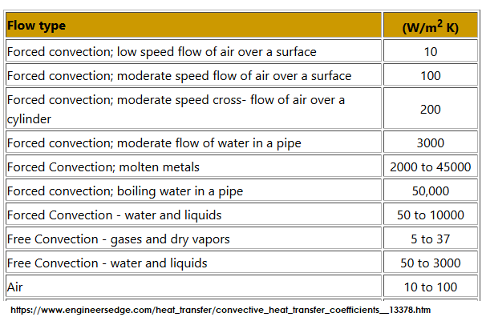
 | R | 3.19 |  | R | 100.60 |  |  | R | 2.63

 |  |  |  | INTERNAL AIR
 |  |  |  | T | 23.46

 |  |  |  | Air-Outside
 |  |  |  | VFR | 0.0028133
 |  |  |  | Air Specific Heat | 1006
 |  |  |  | Density | 1.225
 |  |  |  | R | 0.29
 |  |  |  | Tair | 20

